INTRODUCTION
Welcome to IRIS Health Services! For us at IRIS, you matter. Our network of healthcare providers, including hospitals, clinics and pharmacies, is only the beginning of our services. We also have a 24/7 Customer Contact Centre based in Dubai so you can reach us at any time; we’ve designed a free mobile app exclusively for you to help you manage your health quickly and conveniently; and we regularly share the latest health news and insurance updates on our social platforms. More details about each of these elements are included here. Please take some time to read through this document to make the best of your policy. We look forward to getting to know you, and remain invested in and happy to invest in better health for you and our community. With best wishes for your wellbeing, Sincerely, Partner Relations Team IRIS Health Services
IRIS HEALTH NETWORK
CUSTOMER CONTACT CENTRE

The Network list includes access to hospitals, clinics, pharmacies, diagnostic centers etc.
Ease of Access to our Network List throughout UAE & Oman
Names, location and contact info of all the providers mentioned for your convenience
Download our Network List to know more…
REACH OUR CUSTOMER CONTACT CENTRE
@ 04-8710 500
OR
CLICK BELOW FOR SOME FAQ'S WHICH CAN HELP YOU BETTER UNDERSTAND YOUR POLICY

DOWNLOAD ( Click Here)
FAQ'S ( Click Here)

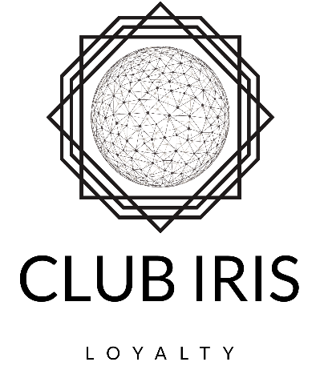

Easy to access your medical data & history, policy details & benefits and treatment process.
Find nearby doctors, set reminders & medicine alerts, track reimbursements and get rewards.
Download IRIS Health App from Google Play and AppStore for free

Exclusive Offers & Benefits
Access across UAE & Oman
Esteemed Partners in Lifestyle, Wellness Centers, Entertainments, Restaurants etc.
Sign Up below to know more…

SIGN UP NOW (Click Here)

